1. Cover
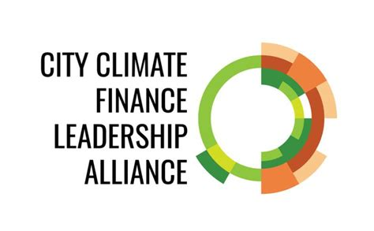
About the Alliance
The Cities Climate Finance Leadership Alliance (Alliance) is a coalition of leaders committed to deploying finance for city level climate action at scale by 2030. It is the only multi-level and multi-stakeholder coalition aimed at closing the investment gap for urban subnational climate projects and infrastructure worldwide. For more information about the Alliance, please visit: https://citiesclimatefinance.org/

About this work
This work aimed to map a wide array of innovative financial instruments and funding mechanisms being utilized for urban climate infrastructure projects. The ultimate goal was to develop an effective taxonomy and database of innovative instruments, funding mechanisms and cases utilized for climate smart and resilient infrastructure in cities worldwide.

Content
• Sheet "1. Cover" presents the Alliance, the objectives of this work and the document's content. • Sheet "2. Taxonomy" presents the taxonomy developed to classify the different financial instruments available for financing urban climate action. • Sheet "3. Case studies" presents a selection of case studies illustrating the use of multiple instruments to finance urban climate action.

